Logg
 | Faktion | Slice | Talmansordning | Bann | Talmansföljd | Slice | Värde | Factions
Oskar S |  | 5 |  | Winnu | August | 1 | 11 | Vuil'Raith Cabal | Empyrean | Xxcha Kingdom | Winnu | Mentak Coalition | x
Axel W |  | 1 |  | Arborec | Oskar B | 2 | 10 | Emirates of Hacan | Barony of Letnev | Naalu Collective | Nekro Virus | x
Niklas |  | 3 |  | Nekro Virus | Axel A | 3 | 10 | Yssaril Tribes | Arborec | Nomad | Keleres | x
Axel A | Titans of UI |  |  |  | Niklas | 4 | 10 | Mahact Gene-Sorcerers | Yin Brotherhood | Ghost of Creuss | Universities of Jol-Nar | x
Oskar B |  | 2 |  | Argent Flight | Axel W | 5 | 11 | Titans of UI | Embers of Muaat | Sardakk N'orr | Naaz-Rokha Alliance | x
August | Clan of Saar |  |  |  | Oskar S | 6 | 9 | Federation of Sol | L1Z1X Mindnet | Argent Flight | Clan of Saar | x
August |  |  | 1 | Mentak Coalition
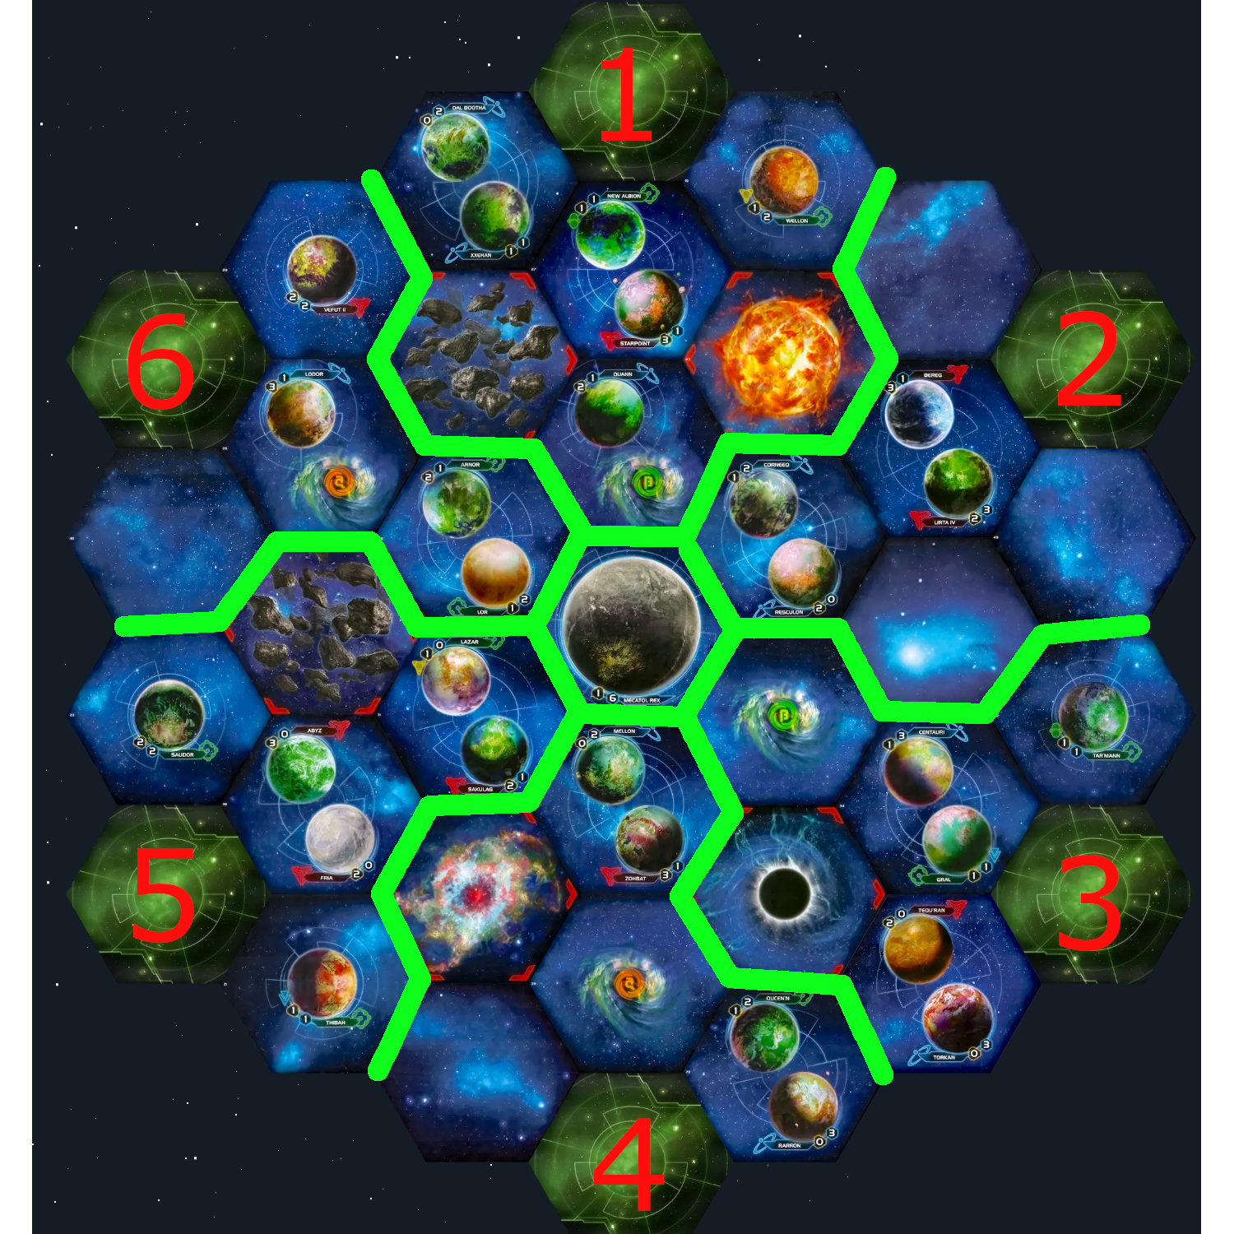
Oskar B |  |  | 2 | Universities of Jol-Nar
Axel A |  |  | 3 | Mahact Gene-Sorcerers
Niklas | Naalu Collective
Axel W | Xxcha Kingdom
Oskar S | Yssaril Tribes
August |  | 6 |  | Ghost of Creuss
Oskar B | Yin Brotherhood
Axel A |  | 4
Niklas |  |  | 4
Axel W |  |  | 5
Oskar S |  |  | 6

